1.01
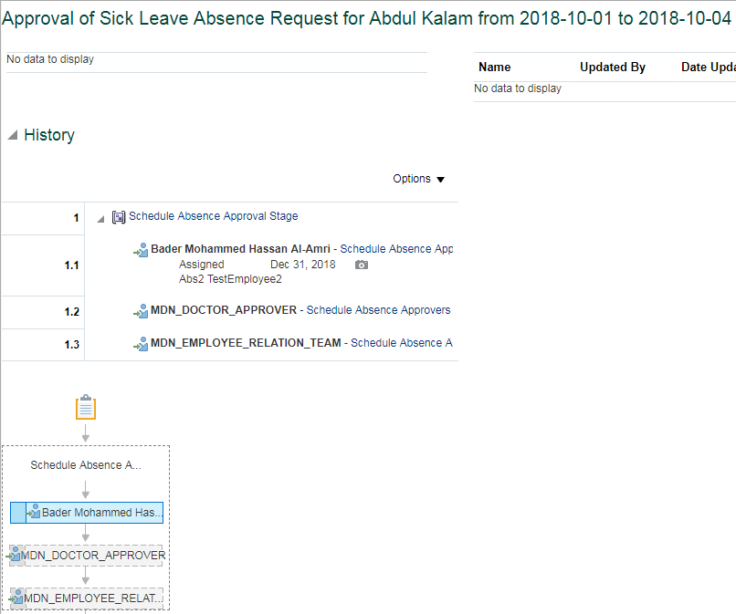
System Test Script - Oracle Cloud - Absence Management
Sick Leave for Job Level 0 to 6 By Manager
Return to Summary
Overview |  |  | Test Script Specification
Software / Release |  | Cloud/ Release 13 | Test Script ID # | 1.01
Pilot / SIT# / UAT# |  | UAT | Test Script Name | Sick Leave for Job Level 0 to 6 By Manager

 | Test Script Instruction |  |  | Test Results
ID # | Action | Navigation Steps | Key Data Elements | Expected Results | Actual Results | Pass/Fail
AB-001 | Log into Oracle Cloud as Manager | Click in the User ID field and enter your User ID. | https://ejop-dev1.fa.em2.oraclecloud.com/fscmUI/faces/FuseWelcome | Login successful
 |  | Click in the Password field and enter your Password.
 |  | Click Sign In
AB-002 | Navigate | Click the Navigator link. |  | System displays the list of reportees under the manager
 |  | Click the My Team
AB-003 | Manage Absence Record | Click Actions icon and select Maintain Absence Records link. |  | Page opens

AB-004 | Create a Sick Leave | The Maintain Absence Records page opens. |  | System triggers out error when employee avail Sick Leave for more than 120 days per year.
 |  | Click Add and select Sick leave from the list of values.
 |  |  |  | Error stating "Exceeding the limit, you can take only max 120 days as sick leave for the year end 2018." gets trrigger out when we try to submit sick leave for more than 120 days
 |  | Select Start Date & End Date | Select Start Date : june2,2018 & End Date : june 8, 2018
 |  | Leave Type Restrictions | Leave type - Leave Type is not requried for this absence since it is based on Calendar Days. System should thrown an error if any Leave Type Selected. | System should throw an error if employee selected any Leave Type. Leave Type is not required for this leave type, remove the Leave Type and try to submit. .
 |  | Enter future Dated Sick Leave |  | System should not allow the employee to iniate the leave in advanced. Error Message: You are allowed to submit the absence in advance.
 |  | Enter comments Add Attachments | Enter appropriate dates
AB-005 | Check Calculated Duration | Select Start Date & End Date |  | For employeesthe duration is calculated based on the start and end dates based on calendar days.Includes the weekends and Holidays if any between the absence start and end date.
AB-006 | Submitting the Leave Request | Click on Submit and OK |  | Able to submit successfully
AB-007 | Leave status | Check the Leave status after submitting the leave |  | Status should be 'Awaiting approval'
AB - 008 | Eligibility Check | Repeat the above steps to create the Another set of Sick leave and submit it. |  | Employee can avail this Sick leave Multiple times.Wereas they should not exceed their limit.
AB - 009 | Leave status | Check the Leave status after submitting the leave |  | Status should be 'Awaiting approval' | Approval status goes to "Awaited Approval" status.
AB - 010 | Log Out | Log out from Employee login | logged out | Employee should Logout successfully. | Employee is able to Logout successfully.
AB - 011 | End of Task | End of Task

Department Manager Approval

 | Test Script Instruction |  |  | Test Results
ID # | Action | Navigation Steps | Key Data Elements | Expected Results | Actual Results | Pass/Fail
AB-001 | Log into Oracle Cloud as Department Manager | Click in the User ID field and enter your User ID. | https://ejop-dev1.fa.em2.oraclecloud.com/fscmUI/faces/FuseWelcome | Login successful | Logins in succesfully
 |  | Click in the Password field and enter your Password.
 |  | Click Sign In
AB-002 | Leave Approval | Click on the Notification button Click the Leave request and notification popup in a new page | You should be able to approve the transaction | Page opens | The approval page for the leave gets opened when the linmanager clicks on the request.
AB-003 | Log Out | Click Approve |  |  | Click on Approve
 |  | Log out from Manager login |  | logged out | Logged out successfully
AB-004 | End of Task | End of Task

Doctor Approval

 | Test Script Instruction |  |  | Test Results
ID # | Action | Navigation Steps | Key Data Elements | Expected Results | Actual Results | Pass/Fail
AB-001 | Log into Oracle Cloud as Doctor | Click in the User ID field and enter your User ID. | https://ejop-dev1.fa.em2.oraclecloud.com/fscmUI/faces/FuseWelcome | Login successful | Logins in succesfully
 |  | Click in the Password field and enter your Password.
 |  | Click Sign In
AB-002 | Leave Approval | Click on the Notification button Click the Leave request and notification popup in a new page | You should be able to approve the transaction | Page opens | The approval page for the leave gets opened when the linmanager clicks on the request.
AB-003 | Log Out | Click Approve |  |  | Click on Approve
 |  | Log out from Manager login |  | logged out | Logged out successfully
AB-004 | End of Task | End of Task

ER Approval

 | Test Script Instruction |  |  | Test Results
ID # | Action | Navigation Steps | Key Data Elements | Expected Results | Actual Results | Pass/Fail
AB-001 | Log into Oracle Cloud as ER | Click in the User ID field and enter your User ID. | https://ejop-dev1.fa.em2.oraclecloud.com/fscmUI/faces/FuseWelcome | Login successful | Logins in succesfully
 |  | Click in the Password field and enter your Password.
 |  | Click Sign In
AB-002 | Leave Approval | Click on the Notification button Click the Leave request and notification popup in a new page | You should be able to approve the transaction | Page opens | The approval page for the leave gets opened when the linmanager clicks on the request.
AB-003 | Log Out | Click Approve |  |  | Click on Approve
 |  | Log out from Manager login |  | logged out | Logged out successfully
AB-004 | End of Task | End of Task

1.02
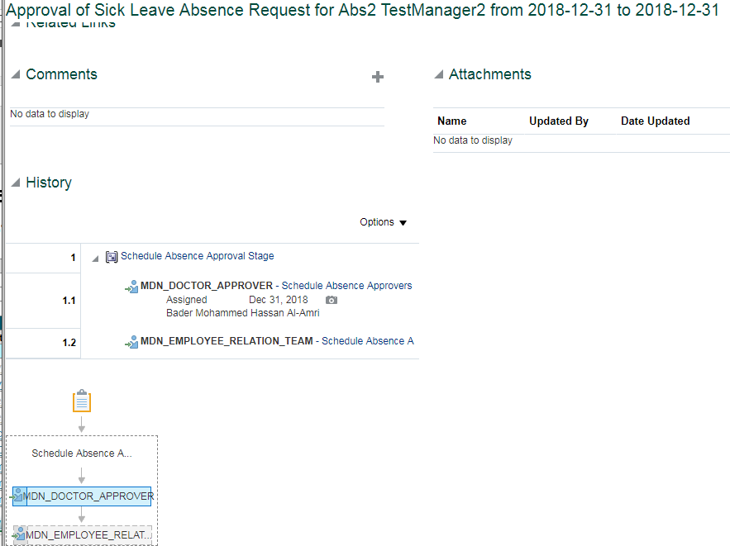
System Test Script - Oracle Cloud - Absence Management
Sick Leave for Job Level 7 & above By Manager
Return to Summary
Overview |  |  | Test Script Specification
Software / Release |  | Cloud/ Release 13 | Test Script ID # | 1.02
Pilot / SIT# / UAT# |  | UAT | Test Script Name | Sick Leave for Job Level 7 & above By Manager

 | Test Script Instruction |  |  | Test Results
ID # | Action | Navigation Steps | Key Data Elements | Expected Results | Actual Results | Pass/Fail
AB-001 | Log into Oracle Cloud as Manager | Click in the User ID field and enter your User ID. | https://ejop-dev1.fa.em2.oraclecloud.com/fscmUI/faces/FuseWelcome | Login successful
 |  | Click in the Password field and enter your Password.
 |  | Click Sign In
AB-002 | Navigate | Click the Navigator link. |  | System displays the list of reportees under the manager
 |  | Click the My Team
AB-003 | Manage Absence Record | Click Actions icon and select Maintain Absence Records link. |  | Page opens

AB-004 | Create a Sick Leave | The Maintain Absence Records page opens. |  | System triggers out error when employee avail Sick Leave for more than 120 days per year.
 |  | Click Add and select Sick leave from the list of values.
 |  |  |  | Error stating "Exceeding the limit, you can take only max 120 days as sick leave for the year end 2018." gets trrigger out when we try to submit sick leave for more than 120 days
 |  | Select Start Date & End Date | Select Start Date : june2,2018 & End Date : june 8, 2018
 |  | Leave Type Restrictions | Leave type - Leave Type is not requried for this absence since it is based on Calendar Days. System should thrown an error if any Leave Type Selected. | System should throw an error if employee selected any Leave Type. Leave Type is not required for this leave type, remove the Leave Type and try to submit. .
 |  | Enter future Dated Sick Leave |  | System should not allow the employee to iniate the leave in advanced. Error Message: You are allowed to submit the absence in advance.
 |  | Enter comments Add Attachments | Enter appropriate dates
AB-005 | Check Calculated Duration | Select Start Date & End Date |  | For employeesthe duration is calculated based on the start and end dates based on calendar days.Includes the weekends and Holidays if any between the absence start and end date.
AB-006 | Submitting the Leave Request | Click on Submit and OK |  | Able to submit successfully
AB-007 | Leave status | Check the Leave status after submitting the leave |  | Status should be 'Awaiting approval'
AB - 008 | Eligibility Check | Repeat the above steps to create the Another set of Sick leave and submit it. |  | Employee can avail this Sick leave Multiple times.Wereas they should not exceed their limit.
AB - 009 | Leave status | Check the Leave status after submitting the leave |  | Status should be 'Awaiting approval' | Approval status goes to "Awaited Approval" status.
AB - 010 | Log Out | Log out from Employee login | logged out | Employee should Logout successfully. | Employee is able to Logout successfully.
AB - 011 | End of Task | End of Task

Doctor Approval

 | Test Script Instruction |  |  | Test Results
ID # | Action | Navigation Steps | Key Data Elements | Expected Results | Actual Results | Pass/Fail
AB-001 | Log into Oracle Cloud as Doctor | Click in the User ID field and enter your User ID. | https://ejop-dev1.fa.em2.oraclecloud.com/fscmUI/faces/FuseWelcome | Login successful | Logins in succesfully
 |  | Click in the Password field and enter your Password.
 |  | Click Sign In
AB-002 | Leave Approval | Click on the Notification button Click the Leave request and notification popup in a new page | You should be able to approve the transaction | Page opens | The approval page for the leave gets opened when the linmanager clicks on the request.
AB-003 | Log Out | Click Approve |  |  | Click on Approve
 |  | Log out from Manager login |  | logged out | Logged out successfully
AB-004 | End of Task | End of Task

ER Approval

 | Test Script Instruction |  |  | Test Results
ID # | Action | Navigation Steps | Key Data Elements | Expected Results | Actual Results | Pass/Fail
AB-001 | Log into Oracle Cloud as ER | Click in the User ID field and enter your User ID. | https://ejop-dev1.fa.em2.oraclecloud.com/fscmUI/faces/FuseWelcome | Login successful | Logins in succesfully
 |  | Click in the Password field and enter your Password.
 |  | Click Sign In
AB-002 | Leave Approval | Click on the Notification button Click the Leave request and notification popup in a new page | You should be able to approve the transaction | Page opens | The approval page for the leave gets opened when the linmanager clicks on the request.
AB-003 | Log Out | Click Approve |  |  | Click on Approve
 |  | Log out from Manager login |  | logged out | Logged out successfully
AB-004 | End of Task | End of Task

2.01
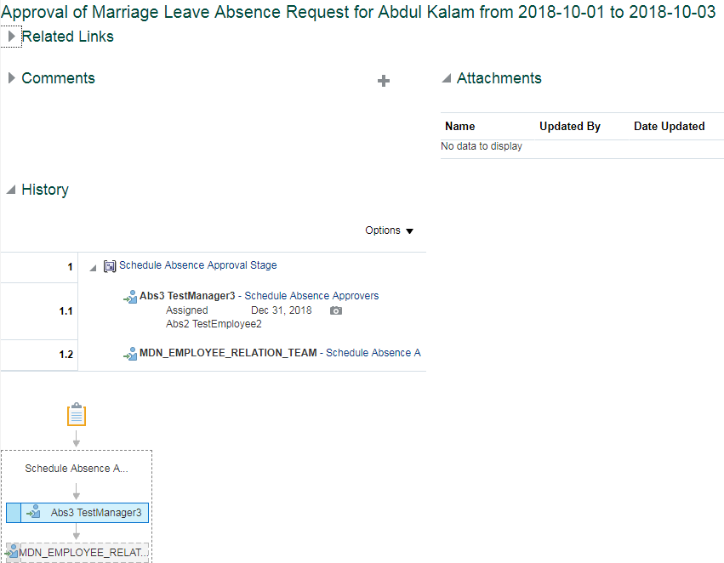
System Test Script - Oracle Cloud - Absence Management
Marriage Leave for Job Level 0 to 6 By Manager
Return to Summary
Overview |  |  | Test Script Specification
Software / Release |  | Cloud/ Release 13 | Test Script ID # | 2.01
Pilot / SIT# / UAT# |  | UAT | Test Script Name | Marriage Leave for Job Level 0 to 6 By Manager

 | Test Script Instruction |  |  | Test Results
ID # | Action | Navigation Steps | Key Data Elements | Expected Results | Actual Results | Pass/Fail
AB-001 | Log into Oracle Cloud as Manager | Click in the User ID field and enter your User ID. | https://ejop-dev1.fa.em2.oraclecloud.com/fscmUI/faces/FuseWelcome | Login successful
 |  | Click in the Password field and enter your Password.
 |  | Click Sign In
AB-002 | Navigate | Click the Navigator link. |  | System displays the list of reportees under the manager
 |  | Click the My Team
AB-003 | Manage Absence Record |  |  | Page opens
 |  | Click Actions icon and select Maintain Absence Records link.
AB-005 | Eligibility Check | Repeat the above steps to create the Another set of Marriage leave and submit it. |  | Employee can avail the Marriage Leave only once. When an employee tries to iniate/place this leave type for second time, system throw an appropriate error message.
AB-004 | Create a Marriage leave | The Maintain Absence Records page opens. | Marital Status Nationality | You should able to see Marriage leave only if Employee's mariatal status as 'Marriage' for Expat. In case of Saudi Employees - You can see regardless marital status
 |  | Click Add and select Marriage Leave from the list of values. Select Start Date & End Date | Start Date : june 1, 2018 End Date : June 9,2018 | Error trigers out , Marriage leave is limited to avail only for 5 working days On exceeding 5 days system triggers an Error. Error stating "Exceeding the limit, you can take maximum of 5 days as Marriage Leave.
 |  | Leave Type Restrictions | Leave Type: Other Leaves No Of days :4 Note: For employee with Standard shift worshedule mapped No.Of Working days details should be filled For Employee with correct worshedule mapped No.Of Working days details should not be filled | For Standard shift Employees: For employees with Standard 12H/8H shift Workschedule mapped, it should throw an error while submitting the absence without Leave Type details. system throws an error "Leave type is required" when employee try to submit the absence without Leave Type details. System doesn't throws error when employee try to submit the absence with Leave Type details. For General Shift Employees: For employees with Correct Workschedule mapped, System doesn't required any Leave Type detail and it calculates the duration automatically. If You enter any Leave Type details, then it should throw an error saying, Leave Type is not required. For employees with General work schedule mapped ,system doesn't throw error while submitting the absence without Leave Type.
 |  |  | Leave type : Other leaves | System should trigger an error when employee select the wrong Leave type where required. Except for vacation for all other leaves select leave type as " other leaves" if required.
 |  | Rejoining Date | June 5,2019 | System throws an error when the rejoing date is at mid of the leave period or before the leave end date. Rejoining date should always be greater than end date of leave period.
 |  | Attach Document |  | Employee should able to attach the document.
 |  | Enter your Comments |  | Employee should able to add a comment
 | Check Calculated Duration | Select Start Date & End Date |  | For employees with Standard shift Workschedule mapped , the duration should be calculated based on the start and end dates without considering any week rest days/ Holidays. For employees with proper workschedule the duration should be calculted based on Actual working days.
 | Submitting the Leave Request | Click on Submit and OK |  | Able to submit successfully
 | Leave status | Check the Leave status after submitting the leave |  | Status should be 'Awaiting approval'
AB-006 | Frequency Check | Apply another Absence on other dates |  | Only once during employment can be applied. System throws an error messsage, when the employee tries to apply second time.
AB-007 | Log Out | Log out from Employee login | logged out
AB-008 | End of Task | End of Task

President Approval

 | Test Script Instruction |  |  | Test Results
ID # | Action | Navigation Steps | Key Data Elements | Expected Results | Actual Results | Pass/Fail
AB-001 | Log into Oracle Cloud as President | Click in the User ID field and enter your User ID. | https://ejop-dev1.fa.em2.oraclecloud.com/fscmUI/faces/FuseWelcome | Login successful | Logins in succesfully
 |  | Click in the Password field and enter your Password.
 |  | Click Sign In
AB-002 | Leave Approval | Click on the Notification button Click the Leave request and notification popup in a new page | You should be able to approve the transaction | Page opens | The approval page for the leave gets opened when the linmanager clicks on the request.
AB-003 | Log Out | Click Approve |  |  | Click on Approve
 |  | Log out from Manager login |  | logged out | Logged out successfully
AB-004 | End of Task | End of Task

ER Approval

 | Test Script Instruction |  |  | Test Results
ID # | Action | Navigation Steps | Key Data Elements | Expected Results | Actual Results | Pass/Fail
AB-001 | Log into Oracle Cloud as ER | Click in the User ID field and enter your User ID. | https://ejop-dev1.fa.em2.oraclecloud.com/fscmUI/faces/FuseWelcome | Login successful | Logins in succesfully
 |  | Click in the Password field and enter your Password.
 |  | Click Sign In
AB-002 | Leave Approval | Click on the Notification button Click the Leave request and notification popup in a new page | You should be able to approve the transaction | Page opens | The approval page for the leave gets opened when the linmanager clicks on the request.
AB-003 | Log Out | Click Approve |  |  | Click on Approve
 |  | Log out from Manager login |  | logged out | Logged out successfully
AB-004 | End of Task | End of Task

2.02
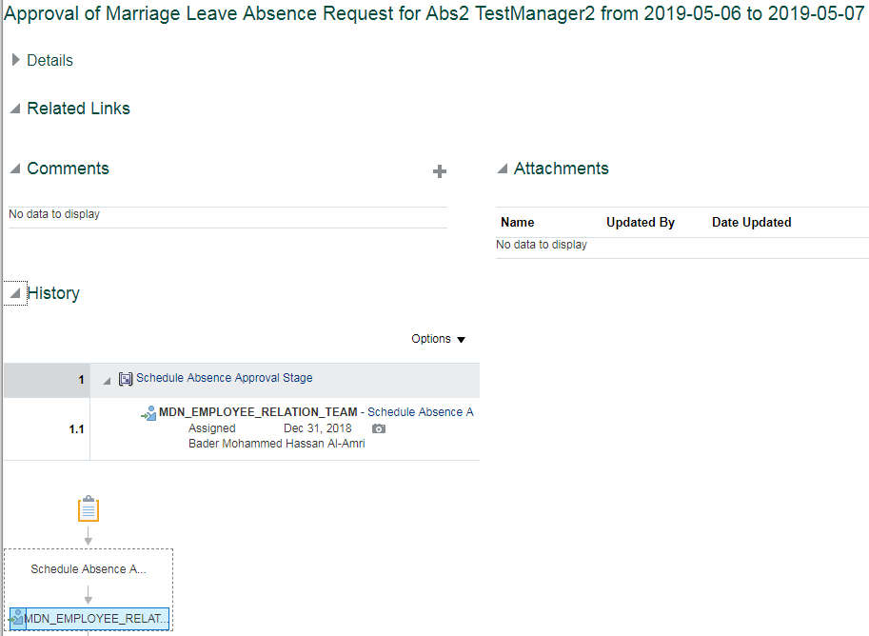
System Test Script - Oracle Cloud - Absence Management
Marriage Leave for Job Level 7 & above By Manager
Return to Summary
Overview |  |  | Test Script Specification
Software / Release |  | Cloud/ Release 13 | Test Script ID # | 2.02
Pilot / SIT# / UAT# |  | UAT | Test Script Name | Marriage Leave for Job Level 7 & above By Manager

 | Test Script Instruction |  |  | Test Results
ID # | Action | Navigation Steps | Key Data Elements | Expected Results | Actual Results | Pass/Fail
AB-001 | Log into Oracle Cloud as Manager | Click in the User ID field and enter your User ID. | https://ejop-dev1.fa.em2.oraclecloud.com/fscmUI/faces/FuseWelcome | Login successful
 |  | Click in the Password field and enter your Password.
 |  | Click Sign In
AB-002 | Navigate | Click the Navigator link. |  | System displays the list of reportees under the manager
 |  | Click the My Team
AB-003 | Manage Absence Record |  |  | Page opens
 |  | Click Actions icon and select Maintain Absence Records link.

AB-005 | Eligibility Check | Repeat the above steps to create the Another set of Marriage leave and submit it. |  | Employee can avail the Marriage Leave only once. When an employee tries to iniate/place this leave type for second time, system throw an appropriate error message.
AB-004 | Create a Marriage leave | The Maintain Absence Records page opens. | Marital Status Nationality | You should able to see Marriage leave only if Employee's mariatal status as 'Marriage' for Expat. In case of Saudi Employees - You can see regardless marital status
 |  | Click Add and select Marriage Leave from the list of values. Select Start Date & End Date | Start Date : june 1, 2018 End Date : June 9,2018 | Error trigers out , Marriage leave is limited to avail only for 5 working days On exceeding 5 days system triggers an Error. Error stating "Exceeding the limit, you can take maximum of 5 days as Marriage Leave.
 |  | Leave Type Restrictions | Leave Type: Other Leaves No Of days :4 Note: For employee with Standard shift worshedule mapped No.Of Working days details should be filled For Employee with correct worshedule mapped No.Of Working days details should not be filled | For Standard shift Employees: For employees with Standard 12H/8H shift Workschedule mapped, it should throw an error while submitting the absence without Leave Type details. system throws an error "Leave type is required" when employee try to submit the absence without Leave Type details. System doesn't throws error when employee try to submit the absence with Leave Type details. For General Shift Employees: For employees with Correct Workschedule mapped, System doesn't required any Leave Type detail and it calculates the duration automatically. If You enter any Leave Type details, then it should throw an error saying, Leave Type is not required. For employees with General work schedule mapped ,system doesn't throw error while submitting the absence without Leave Type.
 |  |  | Leave type : Other leaves | System should trigger an error when employee select the wrong Leave type where required. Except for vacation for all other leaves select leave type as " other leaves" if required.
 |  | Rejoiniing Date | June 5,2019 | System throws an error when the rejoing date is at mid of the leave period or before the leave end date. Rejoining date should always be greater than end date of leave period.
 |  | Attach Document |  | Employee should able to attach the document.
 |  | Enter your Comments |  | Employee should able to add a comment
 | Check Calculated Duration | Select Start Date & End Date |  | For employees with Standard shift Workschedule mapped , the duration should be calculated based on the start and end dates without considering any week rest days/ Holidays. For employees with proper workschedule the duration should be calculted based on Actual working days.
 | Submitting the Leave Request | Click on Submit and OK |  | Able to submit successfully
 | Leave status | Check the Leave status after submitting the leave |  | Status should be 'Awaiting approval'
AB-006 | Leave status | Check the Leave status after submitting the leave |  | Status should be 'Awaiting approval'
AB-007 | Log Out | Log out from Employee login | logged out
AB-008 | End of Task | End of Task

ER Approval

 | Test Script Instruction |  |  | Test Results
ID # | Action | Navigation Steps | Key Data Elements | Expected Results | Actual Results | Pass/Fail
AB-001 | Log into Oracle Cloud as ER | Click in the User ID field and enter your User ID. | https://ejop-dev1.fa.em2.oraclecloud.com/fscmUI/faces/FuseWelcome | Login successful | Logins in succesfully
 |  | Click in the Password field and enter your Password.
 |  | Click Sign In
AB-002 | Leave Approval | Click on the Notification button Click the Leave request and notification popup in a new page | You should be able to approve the transaction | Page opens | The approval page for the leave gets opened when the linmanager clicks on the request.
AB-003 | Log Out | Click Approve |  |  | Click on Approve
 |  | Log out from Manager login |  | logged out | Logged out successfully
AB-004 | End of Task | End of Task

11.01
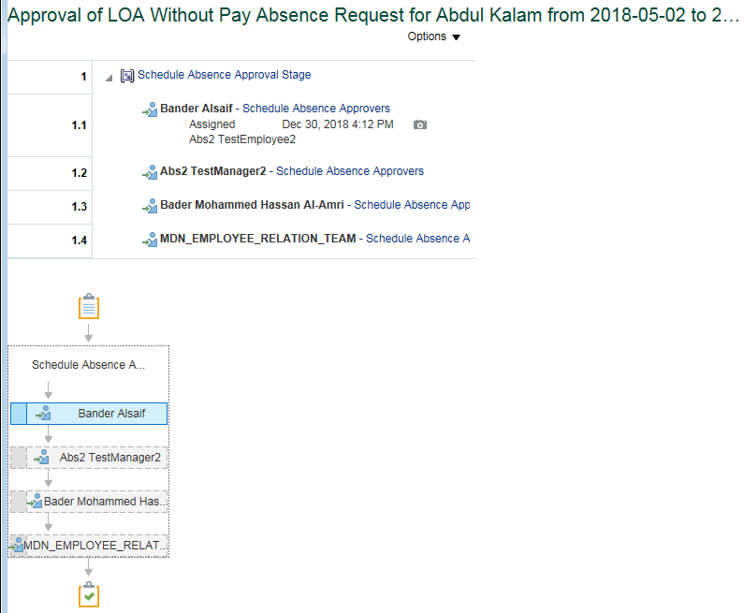
System Test Script - Oracle Cloud - Absence Management
LOA Without Pay for Job Level 0 to 6 By Manager Upto Duration 10 By Manager
Return to Summary
Overview |  |  | Test Script Specification
Software / Release |  | Cloud/ Release 13 | Test Script ID # | 11.01
Pilot / SIT# / UAT# |  | UAT | Test Script Name | LOA Without Pay for Job Level 0 to 6 By Manager Upto Duration 10 By Manager

 | Test Script Instruction |  |  | Test Results
ID # | Action | Navigation Steps | Key Data Elements | Expected Results | Actual Results | Pass/Fail
AB-001 | Log into Oracle Cloud as Manager | Click in the User ID field and enter your User ID. | https://ejop-dev1.fa.em2.oraclecloud.com/fscmUI/faces/FuseWelcome | Login successful
 |  | Click in the Password field and enter your Password.
 |  | Click Sign In
AB-002 | Navigate | Click the Navigator link. |  | System displays the list of reportees under the manager
 |  | Click the My Team
AB-003 | Manage Absence Record |  |  | Page opens
 |  | Click Actions icon and select Maintain Absence Records link.
AB-004 | Create Absence | The Maintain Absence Records page opens. Click Add and select LOA Without Pay leave from the list of values. Select Start Date & End Date | Select Start Date : june2,2018 & End Date : Dec 28, 2018 | System triggers out error when employee avail this Leave type for more than 90 days in calendar year. System triggers error as "Exceeding the limit, you can take maximum of 90 days as LOA Without Pay leave for the year end 2018" when employee try to avil this leave more than 90 days.
 |  | Check Vacation Balance Dependancy |  | System triggers error when an employee submits LOA without pay leave incase of having their vaccation leave balance more than 1 as of Dec 31st.
 |  | Leave Type Restrictions | Leave type - Leave Type is not requried for this absence since it is based on Calendar Days. System should thrown an error if any Leave Type Selected. | System should throw an error if the employee selected any Leave Type. After removing the Leave Type, It should able to submit the leave without triggering any error.
 |  | Enter comments Add attachments |  | Employee should able to enter the comments. employee should able to add Attachments.
AB-005 | Check Calculated Duration | Select Start Date & End Date |  | For employees the duration is calculated based on the start and end dates based on calendar days.Includes the weekends and Holidays if any between the absence start and end date.
AB-006 | Submitting the Leave Request | Click on Submit and OK |  | Able to submit successfully
AB-007 | Leave status | Check the Leave status after submitting the leave |  | Status should be 'Awaiting approval'
AB - 008 | Eligibility Check | Repeat the above steps to create the Another set of LOA Without pay leave and submit it. |  | Employee can avail this leave type Multiple times. Without exceeding their overall entitlement.
AB - 009 | Leave status | Check the Leave status after submitting the leave |  | Status should be 'Awaiting approval'
AB - 010 | Log Out | Log out from Employee login | logged out | Employee should able to logout successfully
AB - 011 | End of Task | End of Task

Approval flows till Department Manager Approval

 | Test Script Instruction |  |  | Test Results
ID # | Action | Navigation Steps | Key Data Elements | Expected Results | Actual Results | Pass/Fail
AB-001 | Log into Oracle Cloud as immediate supervisor | Click in the User ID field and enter your User ID. | https://ejop-dev1.fa.em2.oraclecloud.com/fscmUI/faces/FuseWelcome | Login successful | Logins in succesfully
 |  | Click in the Password field and enter your Password.
 |  | Click Sign In
AB-002 | Leave Approval | Click on the Notification button Click the Leave request and notification popup in a new page | You should be able to approve the transaction | Page opens | The approval page for the leave gets opened when the linmanager clicks on the request.
AB-003 | Log Out | Click Approve |  |  | Click on Approve
 |  | Log out from Manager login |  | logged out | Logged out successfully
AB-004 | End of Task | End of Task

ER Approval

 | Test Script Instruction |  |  | Test Results
ID # | Action | Navigation Steps | Key Data Elements | Expected Results | Actual Results | Pass/Fail
AB-001 | Log into Oracle Cloud as ER | Click in the User ID field and enter your User ID. | https://ejop-dev1.fa.em2.oraclecloud.com/fscmUI/faces/FuseWelcome | Login successful | Logins in succesfully
 |  | Click in the Password field and enter your Password.
 |  | Click Sign In
AB-002 | Leave Approval | Click on the Notification button Click the Leave request and notification popup in a new page | You should be able to approve the transaction | Page opens | The approval page for the leave gets opened when the linmanager clicks on the request.
AB-003 | Log Out | Click Approve |  |  | Click on Approve
 |  | Log out from Manager login |  | logged out | Logged out successfully
AB-004 | End of Task | End of Task

11.02
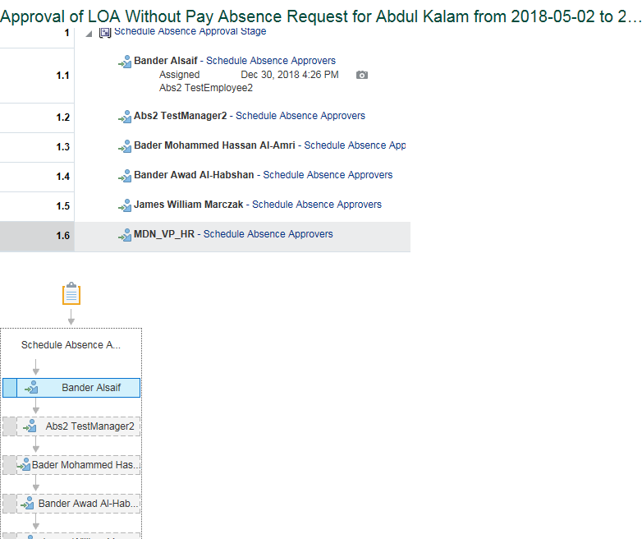
System Test Script - Oracle Cloud - Absence Management
LOA Without Pay for Job Level 0 to 6 By Manager, Duration Between 11 & 30 By Manager
Return to Summary
Overview |  |  | Test Script Specification
Software / Release |  | Cloud/ Release 13 | Test Script ID # | 11.02
Pilot / SIT# / UAT# |  | UAT | Test Script Name | LOA Without Pay for Job Level 0 to 6 By Manager, Duration Between 11 & 30 By Manager

 | Test Script Instruction |  |  | Test Results
ID # | Action | Navigation Steps | Key Data Elements | Expected Results | Actual Results | Pass/Fail
AB-001 | Log into Oracle Cloud as Manager | Click in the User ID field and enter your User ID. | https://ejop-dev1.fa.em2.oraclecloud.com/fscmUI/faces/FuseWelcome | Login successful
 |  | Click in the Password field and enter your Password.
 |  | Click Sign In
AB-002 | Navigate | Click the Navigator link. |  | System displays the list of reportees under the manager
 |  | Click the My Team
AB-003 | Manage Absence Record |  |  | Page opens
 |  | Click Actions icon and select Maintain Absence Records link.
AB-004 | Create Absence | The Maintain Absence Records page opens. Click Add and select LOA Without Pay leave from the list of values. Select Start Date & End Date | Select Start Date : june2,2018 & End Date : Dec 28, 2018 | System triggers out error when employee avail this Leave type for more than 90 days in calendar year. System triggers error as "Exceeding the limit, you can take maximum of 90 days as LOA Without Pay leave for the year end 2018" when employee try to avil this leave more than 90 days.
 |  | Check Vacation Balance Dependancy |  | System triggers error when an employee submits LOA without pay leave incase of having their vaccation leave balance more than 1 as of Dec 31st.
 |  | Leave Type Restrictions | Leave type - Leave Type is not requried for this absence since it is based on Calendar Days. System should thrown an error if any Leave Type Selected. | System should throw an error if the employee selected any Leave Type. After removing the Leave Type, It should able to submit the leave without triggering any error.
 |  | Enter comments Add attachments |  | Employee should able to enter the comments. employee should able to add Attachments.
AB-005 | Check Calculated Duration | Select Start Date & End Date |  | For employees the duration is calculated based on the start and end dates based on calendar days.Includes the weekends and Holidays if any between the absence start and end date.
AB-006 | Submitting the Leave Request | Click on Submit and OK |  | Able to submit successfully
AB-007 | Leave status | Check the Leave status after submitting the leave |  | Status should be 'Awaiting approval'
AB - 008 | Eligibility Check | Repeat the above steps to create the Another set of LOA Without pay leave and submit it. |  | Employee can avail this leave type Multiple times. Without exceeding their overall entitlement.
AB - 009 | Leave status | Check the Leave status after submitting the leave |  | Status should be 'Awaiting approval'
AB - 010 | Log Out | Log out from Employee login | logged out | Employee should able to logout successfully
AB - 011 | End of Task | End of Task

Approval flows till VP

 | Test Script Instruction |  |  | Test Results
ID # | Action | Navigation Steps | Key Data Elements | Expected Results | Actual Results | Pass/Fail
AB-001 | Log into Oracle Cloud as immediate supervisor | Click in the User ID field and enter your User ID. | https://ejop-dev1.fa.em2.oraclecloud.com/fscmUI/faces/FuseWelcome | Login successful | Logins in succesfully
 |  | Click in the Password field and enter your Password.
 |  | Click Sign In
AB-002 | Leave Approval | Click on the Notification button Click the Leave request and notification popup in a new page | You should be able to approve the transaction | Page opens | The approval page for the leave gets opened when the linmanager clicks on the request.
AB-003 | Log Out | Click Approve |  |  | Click on Approve
 |  | Log out from Manager login |  | logged out | Logged out successfully
AB-004 | End of Task | End of Task

VP HR Approval

 | Test Script Instruction |  |  | Test Results
ID # | Action | Navigation Steps | Key Data Elements | Expected Results | Actual Results | Pass/Fail
AB-001 | Log into Oracle Cloud as VP HR | Click in the User ID field and enter your User ID. | https://ejop-dev1.fa.em2.oraclecloud.com/fscmUI/faces/FuseWelcome | Login successful | Logins in succesfully
 |  | Click in the Password field and enter your Password.
 |  | Click Sign In
AB-002 | Leave Approval | Click on the Notification button Click the Leave request and notification popup in a new page | You should be able to approve the transaction | Page opens | The approval page for the leave gets opened when the linmanager clicks on the request.
AB-003 | Log Out | Click Approve |  |  | Click on Approve
 |  | Log out from Manager login |  | logged out | Logged out successfully
AB-004 | End of Task | End of Task

11.03
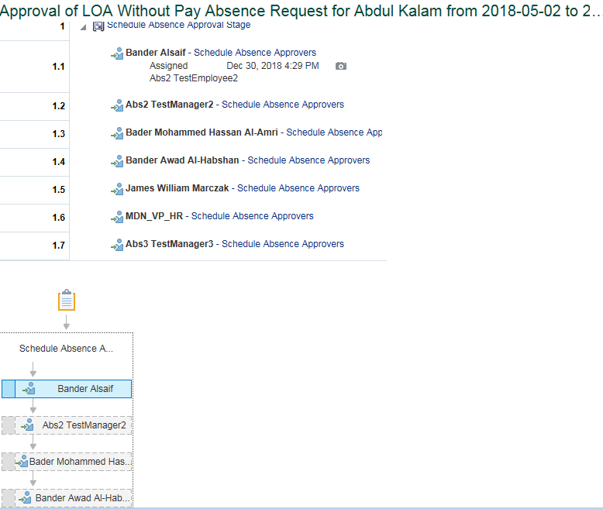
System Test Script - Oracle Cloud - Absence Management
LOA Without Pay for Job Level 0 to 6 By Manager, Duration Between 31 & 90 By Manager
Return to Summary
Overview |  |  | Test Script Specification
Software / Release |  | Cloud/ Release 13 | Test Script ID # | 11.03
Pilot / SIT# / UAT# |  | UAT | Test Script Name | LOA Without Pay for Job Level 0 to 6 By Manager, Duration Between 31 & 90 By Manager

 | Test Script Instruction |  |  | Test Results
ID # | Action | Navigation Steps | Key Data Elements | Expected Results | Actual Results | Pass/Fail
AB-001 | Log into Oracle Cloud as Manager | Click in the User ID field and enter your User ID. | https://ejop-dev1.fa.em2.oraclecloud.com/fscmUI/faces/FuseWelcome | Login successful
 |  | Click in the Password field and enter your Password.
 |  | Click Sign In
AB-002 | Navigate | Click the Navigator link. |  | System displays the list of reportees under the manager
 |  | Click the My Team
AB-003 | Manage Absence Record |  |  | Page opens
 |  | Click Actions icon and select Maintain Absence Records link.
AB-004 | Create Absence | The Maintain Absence Records page opens. Click Add and select LOA Without Pay leave from the list of values. Select Start Date & End Date | Select Start Date : june2,2018 & End Date : Dec 28, 2018 | System triggers out error when employee avail this Leave type for more than 90 days in calendar year. System triggers error as "Exceeding the limit, you can take maximum of 90 days as LOA Without Pay leave for the year end 2018" when employee try to avil this leave more than 90 days.
 |  | Check Vacation Balance Dependancy |  | System triggers error when an employee submits LOA without pay leave incase of having their vaccation leave balance more than 1 as of Dec 31st.
 |  | Leave Type Restrictions | Leave type - Leave Type is not requried for this absence since it is based on Calendar Days. System should thrown an error if any Leave Type Selected. | System should throw an error if the employee selected any Leave Type. After removing the Leave Type, It should able to submit the leave without triggering any error.
 |  | Enter comments Add attachments |  | Employee should able to enter the comments. employee should able to add Attachments.
AB-005 | Check Calculated Duration | Select Start Date & End Date |  | For employees the duration is calculated based on the start and end dates based on calendar days.Includes the weekends and Holidays if any between the absence start and end date.
AB-006 | Submitting the Leave Request | Click on Submit and OK |  | Able to submit successfully
AB-007 | Leave status | Check the Leave status after submitting the leave |  | Status should be 'Awaiting approval'
AB - 008 | Eligibility Check | Repeat the above steps to create the Another set of LOA Without pay leave and submit it. |  | Employee can avail this leave type Multiple times. Without exceeding their overall entitlement.
AB - 009 | Leave status | Check the Leave status after submitting the leave |  | Status should be 'Awaiting approval'
AB - 010 | Log Out | Log out from Employee login | logged out | Employee should able to logout successfully
AB - 011 | End of Task | End of Task

Approval flows till VP

 | Test Script Instruction |  |  | Test Results
ID # | Action | Navigation Steps | Key Data Elements | Expected Results | Actual Results | Pass/Fail
AB-001 | Log into Oracle Cloud as VP | Click in the User ID field and enter your User ID. | https://ejop-dev1.fa.em2.oraclecloud.com/fscmUI/faces/FuseWelcome | Login successful | Logins in succesfully
 |  | Click in the Password field and enter your Password.
 |  | Click Sign In
AB-002 | Leave Approval | Click on the Notification button Click the Leave request and notification popup in a new page | You should be able to approve the transaction | Page opens | The approval page for the leave gets opened when the linmanager clicks on the request.
AB-003 | Log Out | Click Approve |  |  | Click on Approve
 |  | Log out from Manager login |  | logged out | Logged out successfully
AB-004 | End of Task | End of Task

VP HR Approval

 | Test Script Instruction |  |  | Test Results
ID # | Action | Navigation Steps | Key Data Elements | Expected Results | Actual Results | Pass/Fail
AB-001 | Log into Oracle Cloud as VP HR | Click in the User ID field and enter your User ID. | https://ejop-dev1.fa.em2.oraclecloud.com/fscmUI/faces/FuseWelcome | Login successful | Logins in succesfully
 |  | Click in the Password field and enter your Password.
 |  | Click Sign In
AB-002 | Leave Approval | Click on the Notification button Click the Leave request and notification popup in a new page | You should be able to approve the transaction | Page opens | The approval page for the leave gets opened when the linmanager clicks on the request.
AB-003 | Log Out | Click Approve |  |  | Click on Approve
 |  | Log out from Manager login |  | logged out | Logged out successfully
AB-004 | End of Task | End of Task

President Approval

 | Test Script Instruction |  |  | Test Results
ID # | Action | Navigation Steps | Key Data Elements | Expected Results | Actual Results | Pass/Fail
AB-001 | Log into Oracle Cloud as VP HR | Click in the User ID field and enter your User ID. | https://ejop-dev1.fa.em2.oraclecloud.com/fscmUI/faces/FuseWelcome | Login successful | Logins in succesfully
 |  | Click in the Password field and enter your Password.
 |  | Click Sign In
AB-002 | Leave Approval | Click on the Notification button Click the Leave request and notification popup in a new page | You should be able to approve the transaction | Page opens | The approval page for the leave gets opened when the linmanager clicks on the request.
AB-003 | Log Out | Click Approve |  |  | Click on Approve
 |  | Log out from Manager login |  | logged out | Logged out successfully
AB-004 | End of Task | End of Task

11.04
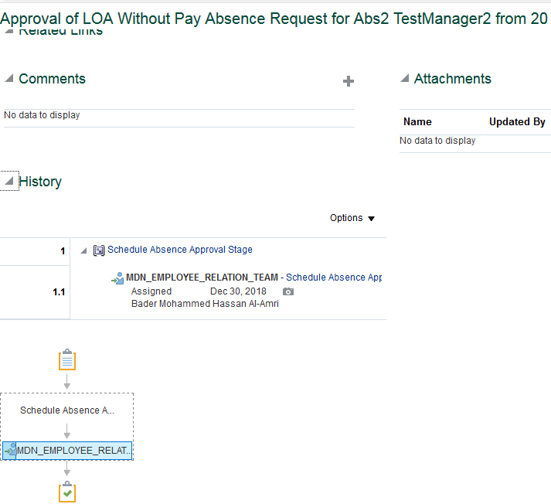
System Test Script - Oracle Cloud - Absence Management
LOA Without Pay for Job Level 7 - 14 duration 10 By Manager
Return to Summary
Overview |  |  | Test Script Specification
Software / Release |  | Cloud/ Release 13 | Test Script ID # | 11.04
Pilot / SIT# / UAT# |  | UAT | Test Script Name | LOA Without Pay for Job Level 7 - 14 duration 10 By Manager

 | Test Script Instruction |  |  | Test Results
ID # | Action | Navigation Steps | Key Data Elements | Expected Results | Actual Results | Pass/Fail
AB-001 | Log into Oracle Cloud as Manager | Click in the User ID field and enter your User ID. | https://ejop-dev1.fa.em2.oraclecloud.com/fscmUI/faces/FuseWelcome | Login successful
 |  | Click in the Password field and enter your Password.
 |  | Click Sign In
AB-002 | Navigate | Click the Navigator link. |  | System displays the list of reportees under the manager
 |  | Click the My Team
AB-003 | Manage Absence Record |  |  | Page opens
 |  | Click Actions icon and select Maintain Absence Records link.
AB-004 | Create Absence | The Maintain Absence Records page opens. Click Add and select LOA Without Pay leave from the list of values. Select Start Date & End Date | Select Start Date : june2,2018 & End Date : Dec 28, 2018 | System triggers out error when employee avail this Leave type for more than 90 days in calendar year. System triggers error as "Exceeding the limit, you can take maximum of 90 days as LOA Without Pay leave for the year end 2018" when employee try to avil this leave more than 90 days.
 |  | Check Vacation Balance Dependancy |  | System triggers error when an employee submits LOA without pay leave incase of having their vaccation leave balance more than 1 as of Dec 31st.
 |  | Leave Type Restrictions | Leave type - Leave Type is not requried for this absence since it is based on Calendar Days. System should thrown an error if any Leave Type Selected. | System should throw an error if the employee selected any Leave Type. After removing the Leave Type, It should able to submit the leave without triggering any error.
 |  | Enter comments Add attachments |  | Employee should able to enter the comments. employee should able to add Attachments.
AB-005 | Check Calculated Duration | Select Start Date & End Date |  | For employees the duration is calculated based on the start and end dates based on calendar days.Includes the weekends and Holidays if any between the absence start and end date.
AB-006 | Submitting the Leave Request | Click on Submit and OK |  | Able to submit successfully
AB-007 | Leave status | Check the Leave status after submitting the leave |  | Status should be 'Awaiting approval'
AB - 008 | Eligibility Check | Repeat the above steps to create the Another set of LOA Without pay leave and submit it. |  | Employee can avail this leave type Multiple times. Without exceeding their overall entitlement.
AB - 009 | Leave status | Check the Leave status after submitting the leave |  | Status should be 'Awaiting approval'
AB - 010 | Log Out | Log out from Employee login | logged out | Employee should able to logout successfully
AB - 011 | End of Task | End of Task

ER Approval

 | Test Script Instruction |  |  | Test Results
ID # | Action | Navigation Steps | Key Data Elements | Expected Results | Actual Results | Pass/Fail
AB-001 | Log into Oracle Cloud as ER | Click in the User ID field and enter your User ID. | https://ejop-dev1.fa.em2.oraclecloud.com/fscmUI/faces/FuseWelcome | Login successful | Logins in succesfully
 |  | Click in the Password field and enter your Password.
 |  | Click Sign In
AB-002 | Leave Approval | Click on the Notification button Click the Leave request and notification popup in a new page | You should be able to approve the transaction | Page opens | The approval page for the leave gets opened when the linmanager clicks on the request.
AB-003 | Log Out | Click Approve |  |  | Click on Approve
 |  | Log out from Manager login |  | logged out | Logged out successfully
AB-004 | End of Task | End of Task

11.05
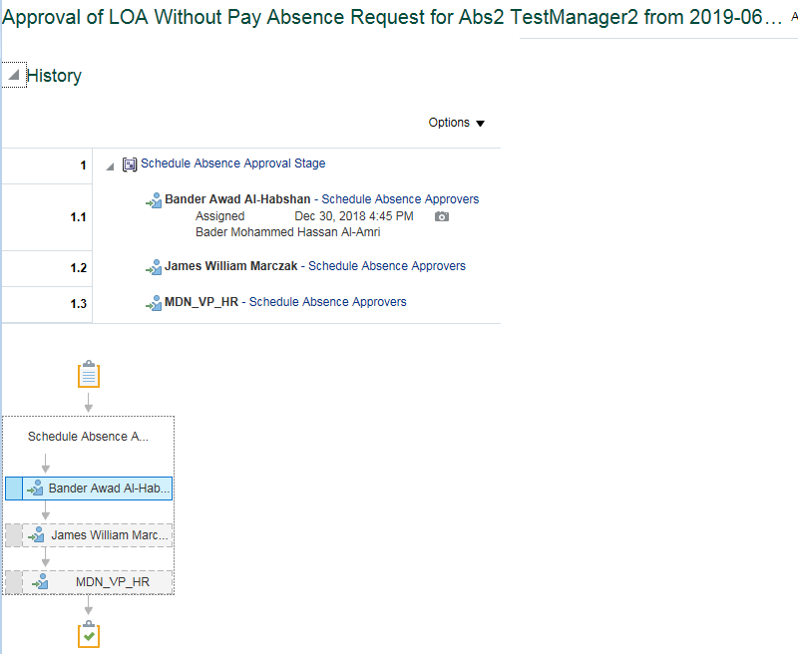
System Test Script - Oracle Cloud - Absence Management
LOA Without Pay for Job Level 7 Upto 10, duration between 11 & 30 By Manager
Return to Summary
Overview |  |  | Test Script Specification
Software / Release |  | Cloud/ Release 13 | Test Script ID # | 11.05
Pilot / SIT# / UAT# |  | UAT | Test Script Name | LOA Without Pay for Job Level 7 Upto 10, duration between 11 & 30 By Manager

 | Test Script Instruction |  |  | Test Results
ID # | Action | Navigation Steps | Key Data Elements | Expected Results | Actual Results | Pass/Fail
AB-001 | Log into Oracle Cloud as Manager | Click in the User ID field and enter your User ID. | https://ejop-dev1.fa.em2.oraclecloud.com/fscmUI/faces/FuseWelcome | Login successful
 |  | Click in the Password field and enter your Password.
 |  | Click Sign In
AB-002 | Navigate | Click the Navigator link. |  | System displays the list of reportees under the manager
 |  | Click the My Team
AB-003 | Manage Absence Record |  |  | Page opens
 |  | Click Actions icon and select Maintain Absence Records link.
AB-004 | Create Absence | The Maintain Absence Records page opens. Click Add and select LOA Without Pay leave from the list of values. Select Start Date & End Date | Select Start Date : june2,2018 & End Date : Dec 28, 2018 | System triggers out error when employee avail this Leave type for more than 90 days in calendar year. System triggers error as "Exceeding the limit, you can take maximum of 90 days as LOA Without Pay leave for the year end 2018" when employee try to avil this leave more than 90 days.
 |  | Check Vacation Balance Dependancy |  | System triggers error when an employee submits LOA without pay leave incase of having their vaccation leave balance more than 1 as of Dec 31st.
 |  | Leave Type Restrictions | Leave type - Leave Type is not requried for this absence since it is based on Calendar Days. System should thrown an error if any Leave Type Selected. | System should throw an error if the employee selected any Leave Type. After removing the Leave Type, It should able to submit the leave without triggering any error.
 |  | Enter comments Add attachments |  | Employee should able to enter the comments. employee should able to add Attachments.
AB-005 | Check Calculated Duration | Select Start Date & End Date |  | For employees the duration is calculated based on the start and end dates based on calendar days.Includes the weekends and Holidays if any between the absence start and end date.
AB-006 | Submitting the Leave Request | Click on Submit and OK |  | Able to submit successfully
AB-007 | Leave status | Check the Leave status after submitting the leave |  | Status should be 'Awaiting approval'
AB - 008 | Eligibility Check | Repeat the above steps to create the Another set of LOA Without pay leave and submit it. |  | Employee can avail this leave type Multiple times. Without exceeding their overall entitlement.
AB - 009 | Leave status | Check the Leave status after submitting the leave |  | Status should be 'Awaiting approval'
AB - 010 | Log Out | Log out from Employee login | logged out | Employee should able to logout successfully
AB - 011 | End of Task | End of Task

Approval flows till VP

 | Test Script Instruction |  |  | Test Results
ID # | Action | Navigation Steps | Key Data Elements | Expected Results | Actual Results | Pass/Fail
AB-001 | Log into Oracle Cloud as VP | Click in the User ID field and enter your User ID. | https://ejop-dev1.fa.em2.oraclecloud.com/fscmUI/faces/FuseWelcome | Login successful | Logins in succesfully
 |  | Click in the Password field and enter your Password.
 |  | Click Sign In
AB-002 | Leave Approval | Click on the Notification button Click the Leave request and notification popup in a new page | You should be able to approve the transaction | Page opens | The approval page for the leave gets opened when the linmanager clicks on the request.
AB-003 | Log Out | Click Approve |  |  | Click on Approve
 |  | Log out from Manager login |  | logged out | Logged out successfully
AB-004 | End of Task | End of Task

VP HR Approval

 | Test Script Instruction |  |  | Test Results
ID # | Action | Navigation Steps | Key Data Elements | Expected Results | Actual Results | Pass/Fail
AB-001 | Log into Oracle Cloud as VP HR | Click in the User ID field and enter your User ID. | https://ejop-dev1.fa.em2.oraclecloud.com/fscmUI/faces/FuseWelcome | Login successful | Logins in succesfully
 |  | Click in the Password field and enter your Password.
 |  | Click Sign In
AB-002 | Leave Approval | Click on the Notification button Click the Leave request and notification popup in a new page | You should be able to approve the transaction | Page opens | The approval page for the leave gets opened when the linmanager clicks on the request.
AB-003 | Log Out | Click Approve |  |  | Click on Approve
 |  | Log out from Manager login |  | logged out | Logged out successfully
AB-004 | End of Task | End of Task

11.06
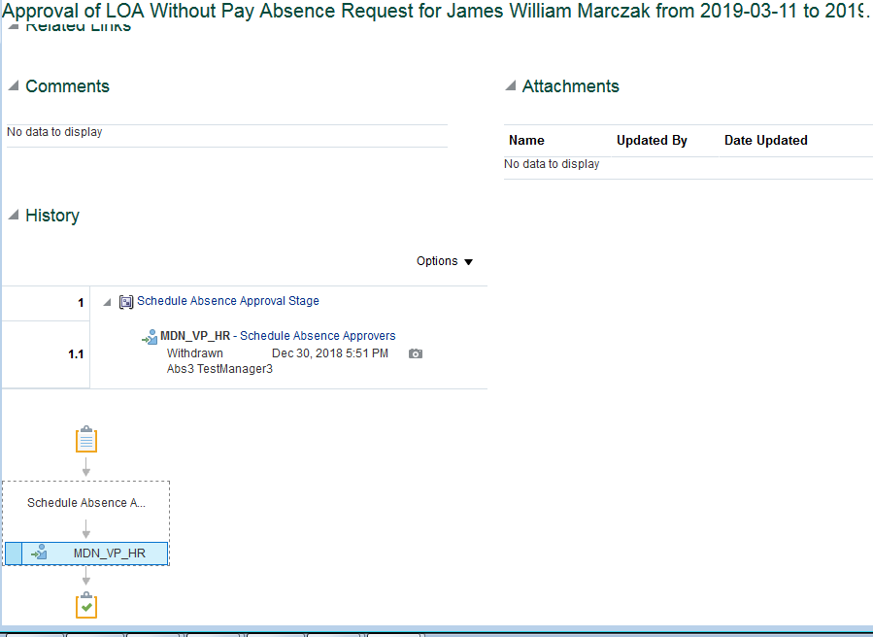
System Test Script - Oracle Cloud - Absence Management
LOA Without Pay for Job Level 11 - 14, duration between 11 & 30 By Manager
Return to Summary
Overview |  |  | Test Script Specification
Software / Release |  | Cloud/ Release 13 | Test Script ID # | 11.06
Pilot / SIT# / UAT# |  | UAT | Test Script Name | LOA Without Pay for Job Level 11 - 14, duration between 11 & 30 By Manager

 | Test Script Instruction |  |  | Test Results
ID # | Action | Navigation Steps | Key Data Elements | Expected Results | Actual Results | Pass/Fail
AB-001 | Log into Oracle Cloud as Manager | Click in the User ID field and enter your User ID. | https://ejop-dev1.fa.em2.oraclecloud.com/fscmUI/faces/FuseWelcome | Login successful
 |  | Click in the Password field and enter your Password.
 |  | Click Sign In
AB-002 | Navigate | Click the Navigator link. |  | System displays the list of reportees under the manager
 |  | Click the My Team
AB-003 | Manage Absence Record |  |  | Page opens
 |  | Click Actions icon and select Maintain Absence Records link.
AB-004 | Create Absence | The Maintain Absence Records page opens. Click Add and select LOA Without Pay leave from the list of values. Select Start Date & End Date | Select Start Date : june2,2018 & End Date : Dec 28, 2018 | System triggers out error when employee avail this Leave type for more than 90 days in calendar year. System triggers error as "Exceeding the limit, you can take maximum of 90 days as LOA Without Pay leave for the year end 2018" when employee try to avil this leave more than 90 days.
 |  | Check Vacation Balance Dependancy |  | System triggers error when an employee submits LOA without pay leave incase of having their vaccation leave balance more than 1 as of Dec 31st.
 |  | Leave Type Restrictions | Leave type - Leave Type is not requried for this absence since it is based on Calendar Days. System should thrown an error if any Leave Type Selected. | System should throw an error if the employee selected any Leave Type. After removing the Leave Type, It should able to submit the leave without triggering any error.
 |  | Enter comments Add attachments |  | Employee should able to enter the comments. employee should able to add Attachments.
AB-005 | Check Calculated Duration | Select Start Date & End Date |  | For employees the duration is calculated based on the start and end dates based on calendar days.Includes the weekends and Holidays if any between the absence start and end date.
AB-006 | Submitting the Leave Request | Click on Submit and OK |  | Able to submit successfully
AB-007 | Leave status | Check the Leave status after submitting the leave |  | Status should be 'Awaiting approval'
AB - 008 | Eligibility Check | Repeat the above steps to create the Another set of LOA Without pay leave and submit it. |  | Employee can avail this leave type Multiple times. Without exceeding their overall entitlement.
AB - 009 | Leave status | Check the Leave status after submitting the leave |  | Status should be 'Awaiting approval'
AB - 010 | Log Out | Log out from Employee login | logged out | Employee should able to logout successfully
AB - 011 | End of Task | End of Task

VP HR Approval

 | Test Script Instruction |  |  | Test Results
ID # | Action | Navigation Steps | Key Data Elements | Expected Results | Actual Results | Pass/Fail
AB-001 | Log into Oracle Cloud as VP HR | Click in the User ID field and enter your User ID. | https://ejop-dev1.fa.em2.oraclecloud.com/fscmUI/faces/FuseWelcome | Login successful | Logins in succesfully
 |  | Click in the Password field and enter your Password.
 |  | Click Sign In
AB-002 | Leave Approval | Click on the Notification button Click the Leave request and notification popup in a new page | You should be able to approve the transaction | Page opens | The approval page for the leave gets opened when the linmanager clicks on the request.
AB-003 | Log Out | Click Approve |  |  | Click on Approve
 |  | Log out from Manager login |  | logged out | Logged out successfully
AB-004 | End of Task | End of Task

11.07
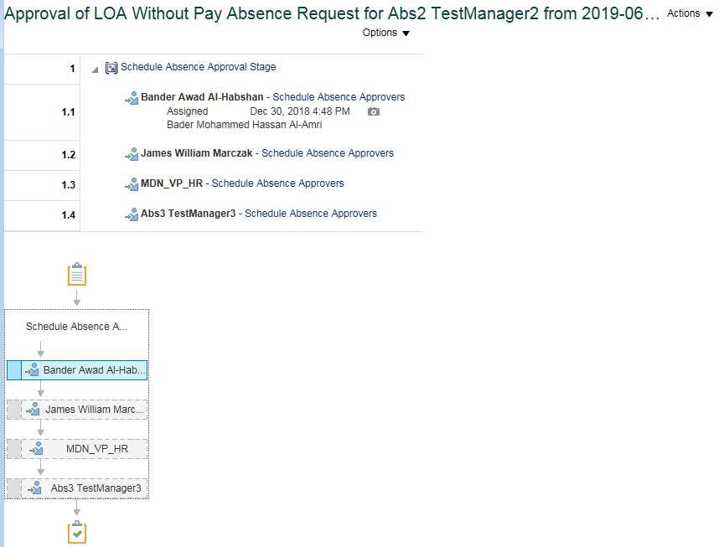
System Test Script - Oracle Cloud - Absence Management
LOA Without Pay for Job Level 7 - 10, duration above 30 By Manager
Return to Summary
Overview |  |  | Test Script Specification
Software / Release |  | Cloud/ Release 13 | Test Script ID # | 11.07
Pilot / SIT# / UAT# |  | UAT | Test Script Name | LOA Without Pay for Job Level 7 - 10, duration above 30 By Manager

 | Test Script Instruction |  |  | Test Results
ID # | Action | Navigation Steps | Key Data Elements | Expected Results | Actual Results | Pass/Fail
AB-001 | Log into Oracle Cloud as Manager | Click in the User ID field and enter your User ID. | https://ejop-dev1.fa.em2.oraclecloud.com/fscmUI/faces/FuseWelcome | Login successful
 |  | Click in the Password field and enter your Password.
 |  | Click Sign In
AB-002 | Navigate | Click the Navigator link. |  | System displays the list of reportees under the manager
 |  | Click the My Team
AB-003 | Manage Absence Record |  |  | Page opens
 |  | Click Actions icon and select Maintain Absence Records link.
AB-004 | Create Absence | The Maintain Absence Records page opens. Click Add and select LOA Without Pay leave from the list of values. Select Start Date & End Date | Select Start Date : june2,2018 & End Date : Dec 28, 2018 | System triggers out error when employee avail this Leave type for more than 90 days in calendar year. System triggers error as "Exceeding the limit, you can take maximum of 90 days as LOA Without Pay leave for the year end 2018" when employee try to avil this leave more than 90 days.
 |  | Check Vacation Balance Dependancy |  | System triggers error when an employee submits LOA without pay leave incase of having their vaccation leave balance more than 1 as of Dec 31st.
 |  | Leave Type Restrictions | Leave type - Leave Type is not requried for this absence since it is based on Calendar Days. System should thrown an error if any Leave Type Selected. | System should throw an error if the employee selected any Leave Type. After removing the Leave Type, It should able to submit the leave without triggering any error.
 |  | Enter comments Add attachments |  | Employee should able to enter the comments. employee should able to add Attachments.
AB-005 | Check Calculated Duration | Select Start Date & End Date |  | For employees the duration is calculated based on the start and end dates based on calendar days.Includes the weekends and Holidays if any between the absence start and end date.
AB-006 | Submitting the Leave Request | Click on Submit and OK |  | Able to submit successfully
AB-007 | Leave status | Check the Leave status after submitting the leave |  | Status should be 'Awaiting approval'
AB - 008 | Eligibility Check | Repeat the above steps to create the Another set of LOA Without pay leave and submit it. |  | Employee can avail this leave type Multiple times. Without exceeding their overall entitlement.
AB - 009 | Leave status | Check the Leave status after submitting the leave |  | Status should be 'Awaiting approval'
AB - 010 | Log Out | Log out from Employee login | logged out | Employee should able to logout successfully
AB - 011 | End of Task | End of Task

Approval flows till VP

 | Test Script Instruction |  |  | Test Results
ID # | Action | Navigation Steps | Key Data Elements | Expected Results | Actual Results | Pass/Fail
AB-001 | Log into Oracle Cloud as VP | Click in the User ID field and enter your User ID. | https://ejop-dev1.fa.em2.oraclecloud.com/fscmUI/faces/FuseWelcome | Login successful | Logins in succesfully
 |  | Click in the Password field and enter your Password.
 |  | Click Sign In
AB-002 | Leave Approval | Click on the Notification button Click the Leave request and notification popup in a new page | You should be able to approve the transaction | Page opens | The approval page for the leave gets opened when the linmanager clicks on the request.
AB-003 | Log Out | Click Approve |  |  | Click on Approve
 |  | Log out from Manager login |  | logged out | Logged out successfully
AB-004 | End of Task | End of Task

VP HR Approval

 | Test Script Instruction |  |  | Test Results
ID # | Action | Navigation Steps | Key Data Elements | Expected Results | Actual Results | Pass/Fail
AB-001 | Log into Oracle Cloud as VP HR | Click in the User ID field and enter your User ID. | https://ejop-dev1.fa.em2.oraclecloud.com/fscmUI/faces/FuseWelcome | Login successful | Logins in succesfully
 |  | Click in the Password field and enter your Password.
 |  | Click Sign In
AB-002 | Leave Approval | Click on the Notification button Click the Leave request and notification popup in a new page | You should be able to approve the transaction | Page opens | The approval page for the leave gets opened when the linmanager clicks on the request.
AB-003 | Log Out | Click Approve |  |  | Click on Approve
 |  | Log out from Manager login |  | logged out | Logged out successfully
AB-004 | End of Task | End of Task

President Approval

 | Test Script Instruction |  |  | Test Results
ID # | Action | Navigation Steps | Key Data Elements | Expected Results | Actual Results | Pass/Fail
AB-001 | Log into Oracle Cloud as President | Click in the User ID field and enter your User ID. | https://ejop-dev1.fa.em2.oraclecloud.com/fscmUI/faces/FuseWelcome | Login successful | Logins in succesfully
 |  | Click in the Password field and enter your Password.
 |  | Click Sign In
AB-002 | Leave Approval | Click on the Notification button Click the Leave request and notification popup in a new page | You should be able to approve the transaction | Page opens | The approval page for the leave gets opened when the linmanager clicks on the request.
AB-003 | Log Out | Click Approve |  |  | Click on Approve
 |  | Log out from Manager login |  | logged out | Logged out successfully
AB-004 | End of Task | End of Task

11.08
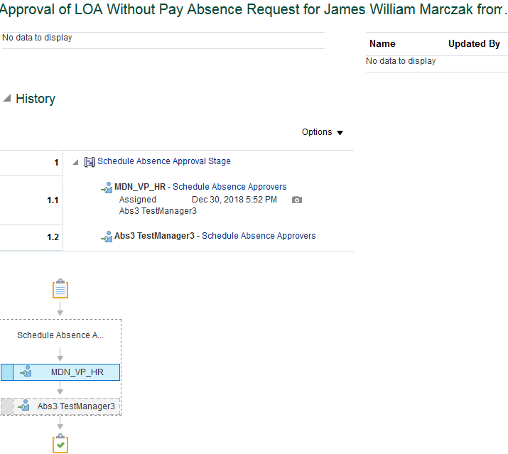
System Test Script - Oracle Cloud - Absence Management
LOA Without Pay for Job Level 11 to 12, duration above 30 By Manager
Return to Summary |  |  |  | naresh
Overview |  |  | Test Script Specification
Software / Release |  | Cloud/ Release 13 | Test Script ID # | 11.08
Pilot / SIT# / UAT# |  | UAT | Test Script Name | LOA Without Pay for Job Level 11 to 12, duration above 30 By Manager

 | Test Script Instruction |  |  | Test Results
ID # | Action | Navigation Steps | Key Data Elements | Expected Results | Actual Results | Pass/Fail
AB-001 | Log into Oracle Cloud as Manager | Click in the User ID field and enter your User ID. | https://ejop-dev1.fa.em2.oraclecloud.com/fscmUI/faces/FuseWelcome | Login successful
 |  | Click in the Password field and enter your Password.
 |  | Click Sign In
AB-002 | Navigate | Click the Navigator link. |  | System displays the list of reportees under the manager
 |  | Click the My Team
AB-003 | Manage Absence Record |  |  | Page opens
 |  | Click Actions icon and select Maintain Absence Records link.
AB-004 | Create Absence | The Maintain Absence Records page opens. Click Add and select LOA Without Pay leave from the list of values. Select Start Date & End Date | Select Start Date : june2,2018 & End Date : Dec 28, 2018 | System triggers out error when employee avail this Leave type for more than 90 days in calendar year. System triggers error as "Exceeding the limit, you can take maximum of 90 days as LOA Without Pay leave for the year end 2018" when employee try to avil this leave more than 90 days.
 |  | Check Vacation Balance Dependancy |  | System triggers error when an employee submits LOA without pay leave incase of having their vaccation leave balance more than 1 as of Dec 31st.
 |  | Leave Type Restrictions | Leave type - Leave Type is not requried for this absence since it is based on Calendar Days. System should thrown an error if any Leave Type Selected. | System should throw an error if the employee selected any Leave Type. After removing the Leave Type, It should able to submit the leave without triggering any error.
 |  | Enter comments Add attachments |  | Employee should able to enter the comments. employee should able to add Attachments.
AB-005 | Check Calculated Duration | Select Start Date & End Date |  | For employees the duration is calculated based on the start and end dates based on calendar days.Includes the weekends and Holidays if any between the absence start and end date.
AB-006 | Submitting the Leave Request | Click on Submit and OK |  | Able to submit successfully
AB-007 | Leave status | Check the Leave status after submitting the leave |  | Status should be 'Awaiting approval'
AB - 008 | Eligibility Check | Repeat the above steps to create the Another set of LOA Without pay leave and submit it. |  | Employee can avail this leave type Multiple times. Without exceeding their overall entitlement.
AB - 009 | Leave status | Check the Leave status after submitting the leave |  | Status should be 'Awaiting approval'
AB - 010 | Log Out | Log out from Employee login | logged out | Employee should able to logout successfully
AB - 011 | End of Task | End of Task

VP HR Approval

 | Test Script Instruction |  |  | Test Results
ID # | Action | Navigation Steps | Key Data Elements | Expected Results | Actual Results | Pass/Fail
AB-001 | Log into Oracle Cloud as VP HR | Click in the User ID field and enter your User ID. | https://ejop-dev1.fa.em2.oraclecloud.com/fscmUI/faces/FuseWelcome | Login successful | Logins in succesfully
 |  | Click in the Password field and enter your Password.
 |  | Click Sign In
AB-002 | Leave Approval | Click on the Notification button Click the Leave request and notification popup in a new page | You should be able to approve the transaction | Page opens | The approval page for the leave gets opened when the linmanager clicks on the request.
AB-003 | Log Out | Click Approve |  |  | Click on Approve
 |  | Log out from Manager login |  | logged out | Logged out successfully
AB-004 | End of Task | End of Task

President Approval

 | Test Script Instruction |  |  | Test Results
ID # | Action | Navigation Steps | Key Data Elements | Expected Results | Actual Results | Pass/Fail
AB-001 | Log into Oracle Cloud as VP HR | Click in the User ID field and enter your User ID. | https://ejop-dev1.fa.em2.oraclecloud.com/fscmUI/faces/FuseWelcome | Login successful | Logins in succesfully
 |  | Click in the Password field and enter your Password.
 |  | Click Sign In
AB-002 | Leave Approval | Click on the Notification button Click the Leave request and notification popup in a new page | You should be able to approve the transaction | Page opens | The approval page for the leave gets opened when the linmanager clicks on the request.
AB-003 | Log Out | Click Approve |  |  | Click on Approve
 |  | Log out from Manager login |  | logged out | Logged out successfully
AB-004 | End of Task | End of Task

11.09
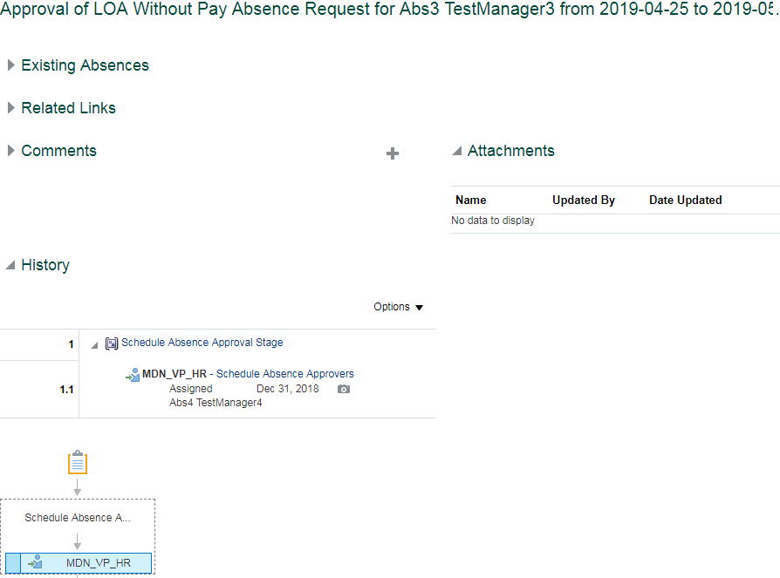
System Test Script - Oracle Cloud - Absence Management
LOA Without Pay for Job Level 13 to 14, duration above 30 By Manager
Return to Summary
Overview |  |  | Test Script Specification
Software / Release |  | Cloud/ Release 13 | Test Script ID # | 11.09
Pilot / SIT# / UAT# |  | UAT | Test Script Name | LOA Without Pay for Job Level 13 to 14, duration above 30 By Manager

 | Test Script Instruction |  |  | Test Results
ID # | Action | Navigation Steps | Key Data Elements | Expected Results | Actual Results | Pass/Fail
AB-001 | Log into Oracle Cloud as Manager | Click in the User ID field and enter your User ID. | https://ejop-dev1.fa.em2.oraclecloud.com/fscmUI/faces/FuseWelcome | Login successful
 |  | Click in the Password field and enter your Password.
 |  | Click Sign In
AB-002 | Navigate | Click the Navigator link. |  | System displays the list of reportees under the manager
 |  | Click the My Team
AB-003 | Manage Absence Record |  |  | Page opens
 |  | Click Actions icon and select Maintain Absence Records link.
AB-004 | Create Absence | The Maintain Absence Records page opens. Click Add and select LOA Without Pay leave from the list of values. Select Start Date & End Date | Select Start Date : june2,2018 & End Date : Dec 28, 2018 | System triggers out error when employee avail this Leave type for more than 90 days in calendar year. System triggers error as "Exceeding the limit, you can take maximum of 90 days as LOA Without Pay leave for the year end 2018" when employee try to avil this leave more than 90 days.
 |  | Check Vacation Balance Dependancy |  | System triggers error when an employee submits LOA without pay leave incase of having their vaccation leave balance more than 1 as of Dec 31st.
 |  | Leave Type Restrictions | Leave type - Leave Type is not requried for this absence since it is based on Calendar Days. System should thrown an error if any Leave Type Selected. | System should throw an error if the employee selected any Leave Type. After removing the Leave Type, It should able to submit the leave without triggering any error.
 |  | Enter comments Add attachments |  | Employee should able to enter the comments. employee should able to add Attachments.
AB-005 | Check Calculated Duration | Select Start Date & End Date |  | For employees the duration is calculated based on the start and end dates based on calendar days.Includes the weekends and Holidays if any between the absence start and end date.
AB-006 | Submitting the Leave Request | Click on Submit and OK |  | Able to submit successfully
AB-007 | Leave status | Check the Leave status after submitting the leave |  | Status should be 'Awaiting approval'
AB - 008 | Eligibility Check | Repeat the above steps to create the Another set of LOA Without pay leave and submit it. |  | Employee can avail this leave type Multiple times. Without exceeding their overall entitlement.
AB - 009 | Leave status | Check the Leave status after submitting the leave |  | Status should be 'Awaiting approval'
AB - 010 | Log Out | Log out from Employee login | logged out | Employee should able to logout successfully
AB - 011 | End of Task | End of Task

VP HR Approval

 | Test Script Instruction |  |  | Test Results
ID # | Action | Navigation Steps | Key Data Elements | Expected Results | Actual Results | Pass/Fail
AB-001 | Log into Oracle Cloud as VP HR | Click in the User ID field and enter your User ID. | https://ejop-dev1.fa.em2.oraclecloud.com/fscmUI/faces/FuseWelcome | Login successful | Logins in succesfully
 |  | Click in the Password field and enter your Password.
 |  | Click Sign In
AB-002 | Leave Approval | Click on the Notification button Click the Leave request and notification popup in a new page | You should be able to approve the transaction | Page opens | The approval page for the leave gets opened when the linmanager clicks on the request.
AB-003 | Log Out | Click Approve |  |  | Click on Approve
 |  | Log out from Manager login |  | logged out | Logged out successfully
AB-004 | End of Task | End of Task

16.01
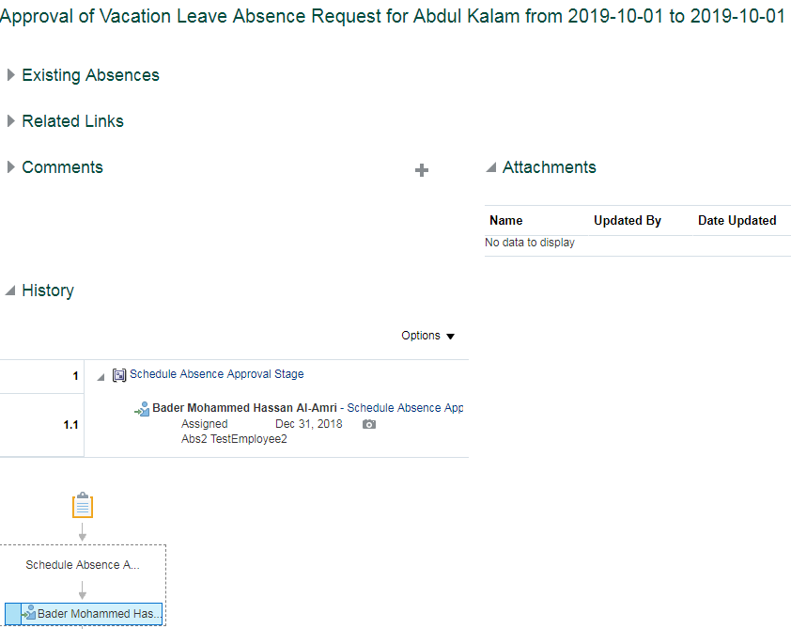
System Test Script - Oracle Cloud - Absence Management
Vacation Leave for Job Level 0 to 6 By Manager
Return to Summary
Overview |  |  | Test Script Specification
Software / Release |  | Cloud/ Release 13 | Test Script ID # | 16.01
Pilot / SIT# / UAT# |  | UAT | Test Script Name | Vacation Leave for Job Level 0 to 6 By Manager

 | Test Script Instruction |  |  | Test Results
ID # | Action | Navigation Steps | Key Data Elements | Expected Results | Actual Results | Pass/Fail
AB-001 | Log into Oracle Cloud as Manager | Click in the User ID field and enter your User ID. | https://ejop-dev1.fa.em2.oraclecloud.com/fscmUI/faces/FuseWelcome | Login successful
 |  | Click in the Password field and enter your Password.
 |  | Click Sign In
AB-002 | Navigate | Click the Navigator link. |  | System displays the list of reportees under the manager
 |  | Click the My Team
AB-003 | Manage Absence Record |  |  | Page opens
 |  | Click Actions icon and select Maintain Absence Records link.
 | Check the Balance | The Maintain Absence Records page opens. Click on the Plan name and Check the Balance | Plan Name By Default it opens with system date Select any future date to Project the value. (Any date in next calendar year) | Only 25 leave from current year leave balance should be carry forwarded to next year, where remaining leaves should be lapsed.
AB-004 | Create Absence | Click Add and select Additional vacation leave from the list of values. Select Start Date & End Date | Select Start Date : june12,2018 & End Date : june 18, 2018 | System triggers out an error when employee try to avail more leave than the entitled leave at the end of year (31-Dec). If the employee try to avail the leave exceeding his entitlement then in that case system trigger out error stating "You are not allowed to take the leaves exceeding your balance (1.833) as of year end (31-Dec)".
 |  | Leave Type Restrictions | Leave type : Within/Span Years | System should trriger error when employee select the Other Leaves as Leave type. If the vacation starts and ends in same year, then select Within Year. If the vacation starts in one year and ends in another year, then select 'Span Year'. Selecting this Leave Type Incorrectly, system throws an appropriate error. System should trigger error when employee apply leave with start date and end date falls on same year and choose leave type as span years. System should trigger error when employee apply leave with start date and end date falls on differnt error year and choose leave type as within years. Note: For start date and end date falls on the same year, choose leave type as Within Years. For start date and end date falls on the consecutive years, choose leave type as spam Years.
 |  |  | Leave Type: Within Year/Span Year No Of days :4 Note: For employee with Standard shift worshedule mapped No.Of Working days details should be filled For Employee with correct worshedule mapped No.Of Working days details should not be filled | For Standard shift Employees: For employees with Standard 12H/8H shift Workschedule mapped, it should throw an error while submitting the absence without Leave Type details. system throws an error "Leave type is required" when employee try to submit the absence without Leave Type details. System doesn't throws error when employee try to submit the absence with Leave Type details. For General Shift Employees: For employees with Correct Workschedule mapped, System doesn't required any Leave Type detail and it calculates the duration automatically. If You enter any Leave Type details, then it should throw an error saying, Leave Type is not required. For employees with General work schedule mapped ,system doesn't throw error while submitting the absence without Leave Type.
 |  | Enter comments Add attachments |  | Employee should able to enter the comments. employee should able to add Attachments.
 |  | Rejoining date | 5-Jun-18 | System should trigger error when employee try to submit the leave without providing rejoining date details.
 |  |  |  | System should trigger error when rejoining date is lesser than end date of the leave. Note: Rejoining date should always be greater than end date.
 |  | Replace by | Employee Name | System should trigger error when employee try to submit the leave without providing "Replace By" details.
AB-005 | Check Calculated Duration | Select Start Date & End Date |  | For employees with Standard shift Workschedule mapped , the duration is calculated based on the start and end dates without considering any week rest days/ Holidays. For employees with proper workschedule the duration is calculted based on Actual working days. Note:Employees who works on 12 hours shift, one working day will be calculated as 1.5 days of absence. Employees who works on 10 hours shift, one working day will be calculated as 1.25 days of absence.
AB-006 | Submitting the Leave Request | Click on Submit and OK |  | Able to submit successfully
AB-007 | Leave status | Check the Leave status after submitting the leave |  | Status should be 'Awaiting approval'
AB - 008 | Eligibility Check | Repeat the above steps to create the Another set of Appearance leave and submit it. |  | Employee can avail this leave type multiple times but should not exceed their limit.
...
 | Test Script Instruction |  |  | Test Results
ID # | Action | Navigation Steps | Key Data Elements | Expected Results | Actual Results | Pass/Fail
 |  | Click in the Password field and enter your Password.
 |  | Click Sign In
AB-002 | Leave Approval | Click on the Notification button Click the Leave request and notification popup in a new page | You should be able to approve the transaction | Page opens | The approval page for the leave gets opened when the linmanager clicks on the request.
AB-003 | Log Out | Click Approve |  |  | Click on Approve
 |  | Log out from Manager login |  | logged out | Logged out successfully
AB-004 | End of Task | End of Task

16.02
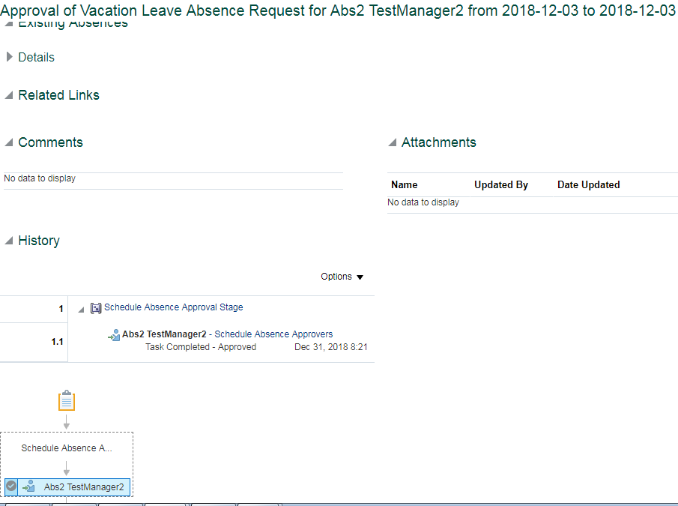
...
 | Test Script Instruction |  |  | Test Results
ID # | Action | Navigation Steps | Key Data Elements | Expected Results | Actual Results | Pass/Fail
AB - 011 | End of Task | End of Task

Self Approval

